Scenario1
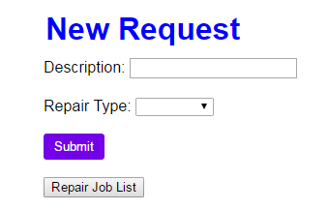
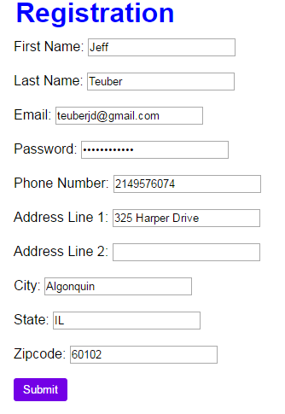
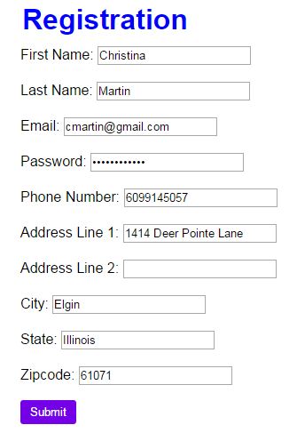
Input:
 | Comments:

 | JT - Registration easy to fill out and contains all the necessary information. Minimal visual appeal
 | CM - Easy form to fill out. Home page could/should be split into two separate screens for login and registration

Output:

Scenario2
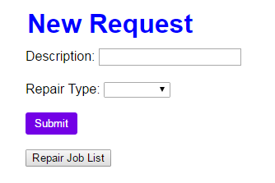
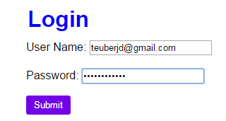
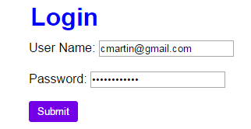
Input:
 | Comments:
 | JT - The login and registration should be on separate pages and there should be a log out button on the jobs page
 | CM - The method to login is straight forward and designed well. More effort could be put into the display of each screen.

Output:

Scenario3
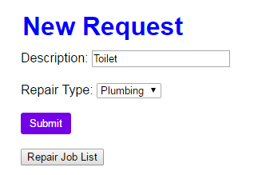
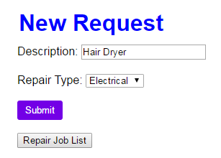
Input:
 | Comments:
 | JT - Easy to create a job but there aren't enough options for repair type and the entire description doesn't display in the input field.
 | CM - There aren't enough options to choose from for repair type. This maybe could be done from a popup and the default view could be the job list

Output:

Scenario4
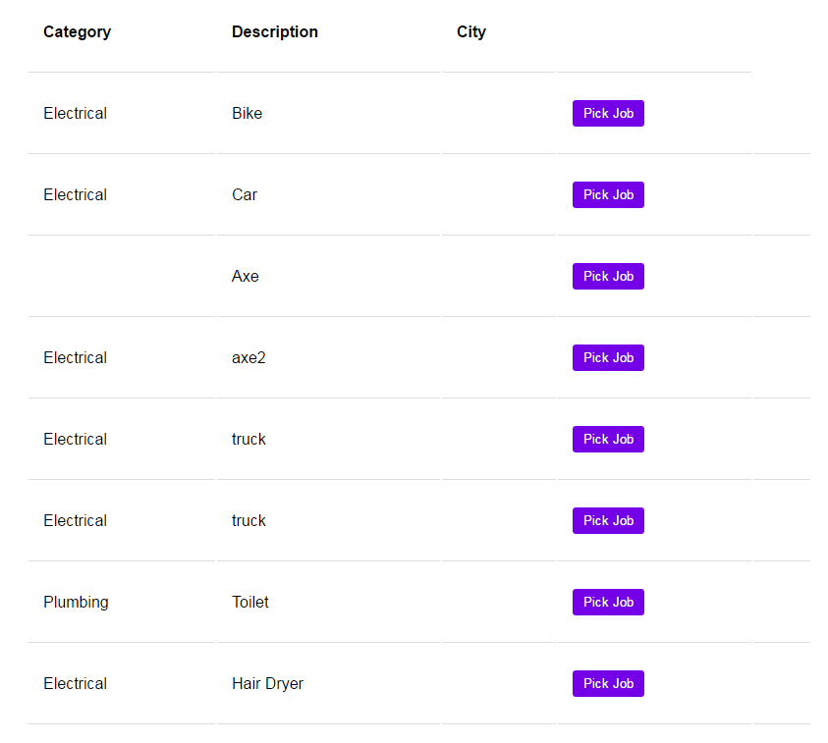
Input:
 | Comments:
 | JT - How is this screen sorted? There should be an ability to sort and filter the results and to see who posted each job.
 | CM - Why is there a city field displayed? How is this field populated? Why are there duplicate jobs? More work could be done on this view to clean it up

Output:

Scenario5
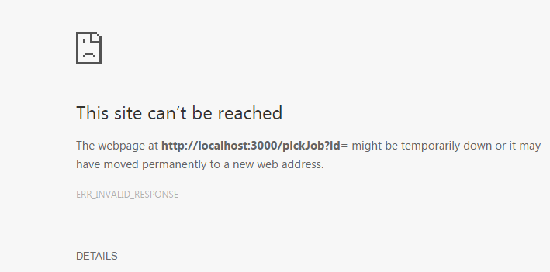
Input: | Comments:
 | JT - Pick job button is broken.
 | CM - Pick job button is broken.

Output:

